Q9
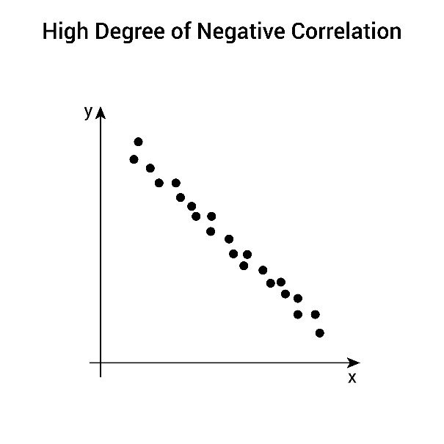
Q9. Given the dataset below, determine whether there is a positive or negative correlation between X and Y.
(No need for exact calculation, just reasoning.)

 | X | Y
 | 1 | 15
 | 2 | 12
 | 3 | 9
 | 4 | 7
 | 5 | 3

Sol:
 | -0.996

Correlation between X and Y is negative.
As X increases, Y decreases, showing a strong inverse relationship.

